Sheet1
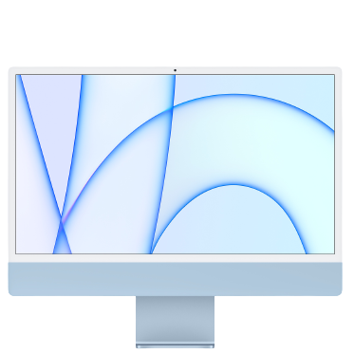
Company | Apple
Model | Apple iMac 24-Inch
CPU | Apple M1
GPU | Apple M1 (Integrated Graphic)
RAM | 8GB
ROM | 256GB SSD
Price | RM6099.00
Address | https://www.apple.com/my-k12/shop/buy-mac/imac/blue-24-inch-apple-m1-chip-with-8-core-cpu-and-8-core-gpu-256gb#

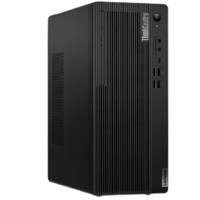
Company | Lenovo
Model | Lenovo ThinkCentre M80t
CPU | Intel Core i3-10100
GPU | Intel UHD Graphics 630 (Integrated Graphic)
RAM | 4GB
ROM | 512GB HDD
Price | RM2399.00
Address | https://www.lenovo.com/my/en/desktops/thinkcentre/m-series-towers/ThinkCentre-M80t/p/11EKCTO1WWENMY0/customize?options_1=5WS0T36147&options_2=4X30M39458&options_3=61C3MAR6WW

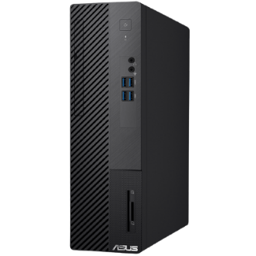
Company | Asus
Model | Asus S500SA
CPU | Intel Core i3-10100
GPU | Intel UHD Graphics 630 (Integrated Graphic)
RAM | 4GB
ROM | 1TB HDD
Price | RM1899.00
Address | https://www.asus.com/my/Displays-Desktops/Tower-PCs/Everyday-use/ASUS-S500SA/

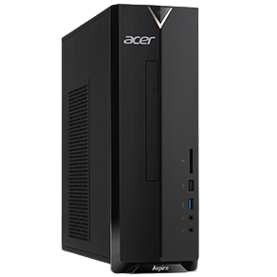
Company | Acer
Model | Acer Aspire XC Seires
CPU | Intel Core i5-10400
GPU | Intel UHD Graphics 630 (Integrated Graphic)
RAM | 8GB
ROM | 512GB SSD
Price | RM2499.00
Address | https://store.acer.com/en-my/desktops/aspire-xc-series-m-2-slot-ready-xc895-10400w10s

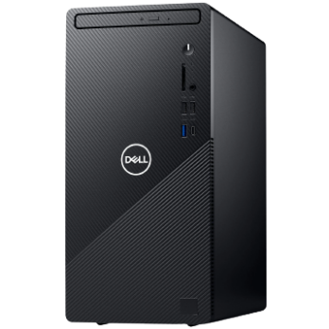
Company | Dell
Model | Dell Inspiron Compact Desktop
CPU | Intel Core i5-11400
GPU | Intel UHD Graphics 730 (Integrated Graphic)
RAM | 8GB
ROM | 1TB HDD
Price | RM2449.00
Address | https://www.dell.com/en-my/shop/desktop-computers/inspiron-compact-desktop/spd/inspiron-3891-desktop/hdi38911100my

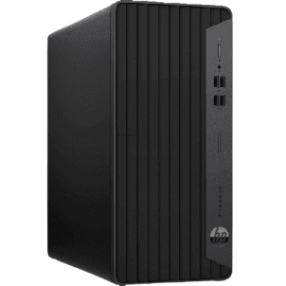
Company | HP
Model | HP ProDesk 400 G7
CPU | Intel Core i5-10500
GPU | Intel UHD Graphics 630 (Integrated Graphic)
RAM | 8GB
ROM | 1TB HDD
Price | RM2999.00
Address | https://www.hp.com/my-en/shop/desktops/hp-prodesk-400-g7-microtower-pc-31j14pa.html

